Time Analysis Ripple
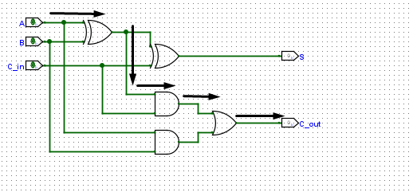
 | XOR | AND | OR
Tpd | 16. 5 ns | 12 ns | 3.8 ns
FA = 12 + 16.5 + 3.8 = 32.3
Tripple = N(FA) = 4 (32.3) = 129.2 ns

Time Analysis Lookahead
Tpg | Tpgblock | Tcla =tpg + tpg_block +(k/N​−1)tAND/OR + ktFa
 |  | Tcla = 16.5 + 47.4 +(0) + 4(32.3)
Tpg =16.5 ns | Tpgblock = 3(AND) + 3 (OR) = 3(12) + 3(3.8) = 47.4 ns | Tcla = 16.5 + 47.4 + 4(32.3)
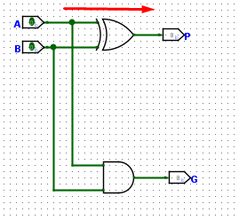
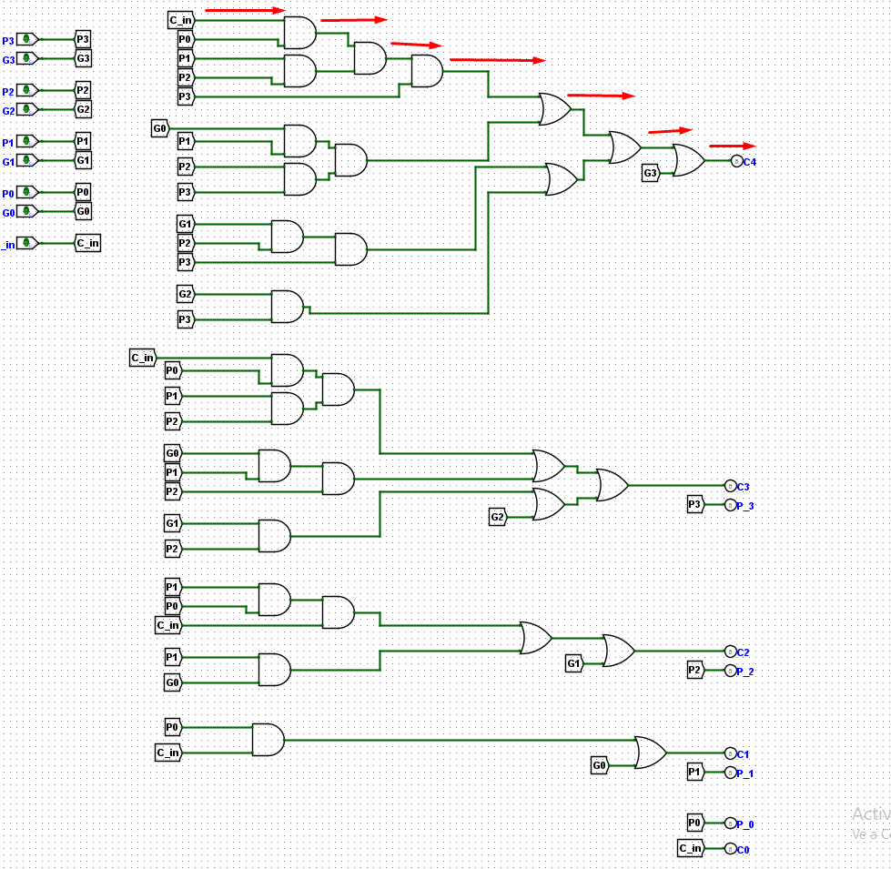
 |  | Tcla = 193.1 ns

Time Analysis Prefix
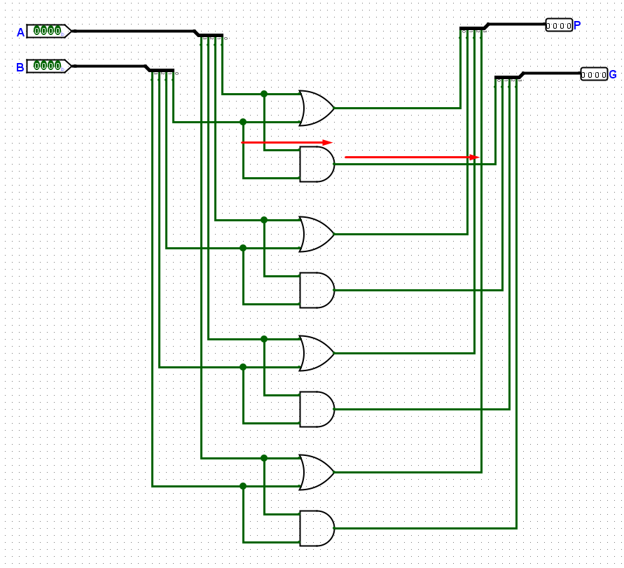
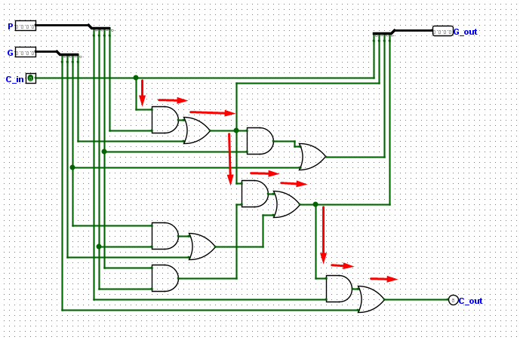
Tpg | Tprefix_block | Tpa = Tpg + log2(N)Tprefix_block + Txor
Tpg =12 ns | Tpgblock = 3(AND) + 3 (OR) = 3(12) + 3(3.8) = 47.4 ns | Tpa = 12 ns + 28.54 + 16.5 ns
 |  | Tpa = 57.04 ns

